m_u_km
Core Index | Explanation | Comments | AZTONCEF04 / AZTONCEF09
inds | dataset that contains the time variable, censor variable, and optional class, adjusting variables, and stratification variables.
whr | Gives a where clause to subset the DATA dataset down. Type exactly as would be in a procedure step. Does not change original dataset.
alpha | Determines the alpha for confidence intervals. Default is 0.05.
method | Determines which method is used to generate the curves. Options are KM (Kaplan-Meier) or CIF (Cumulative Incidence Function) | Defaule = KM
conftype | Method of computing confidence intervals for Kaplan-Meier survival estimates. Default is LOG, options are: LOG, ASINSQRT, LOGLOG, LINEAR, LOGIT.
trtgrpn | numerical group variables
trtgrpnord | a list of number to sort 'trtgrpn'
trtgrpn2 | Variable used to subset the CLASS variable further. Will calculate statistics and draw curves within each level of the BY variable. CLASS levels do not have to match between BY levels. Opens ability to calculate interaction p-values between CLASS and BY variables. CLASSORDER and CLASSREF can be specified separately between BY levels.
var_time | Variable containing time to event information | Defaule = AVAL |  | AZTONCEF05
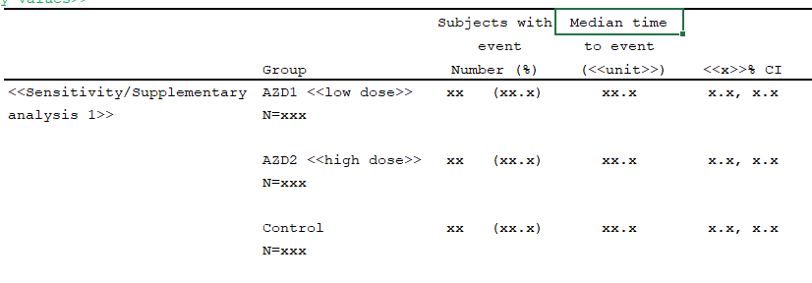
var_status | Numeric variable containing event (coded as a binary variable) | Defaule = CNSR
cen_num | Numeric constant representing value of a non-event in CENS.| Default = 0
evnt_num | Numeric constant representing the event of interest in a competing risks analysis. There is no default for this variable. It is only required when method = CIF. | necessary?
step_list | Numeric time-points to collect Kaplan-Meier survival estimates w/confidence intervals. Can be entered as numeric values separated by spaces, or in a list format (example: 0 to 60 by 10). | how to handle timelist like 3,6,12,18
step_unit | Unit of time
xdivisor | Numeric constant to transform the time variable into other units. Will divide the time variable before Kaplan-Meier survival estimates are computed
plot | A flag variable to turn printing the plot off (0) or on (1) | Default = 1 (on), options = 1 (on) or 0 (off).
outdat_median
median_label
Core code: |  | output dataset,naming rule: macro name+step number+selfdefined.
ods output quartiles=quartiles1 ProductLimitEstimates=ple1 CensoredSummary=censored1; |  | median survival: strata vs by | AZTONCEF06
proc lifetest data=&inds. alpha=&alpha. method=&method. outsurv=outsurv1 atrisk timelist=(0 to &maxtime. by &step_by.);; |  | GPP:1. 尽可能少直接替换原来的数据集 2. temp variable name可以命名成_01/_02/_03
by &trtgrpn.;
time &var_time. * &var_status.(&cen_num.);;
run;

Core code (PZ):

m_u_cox_logrank
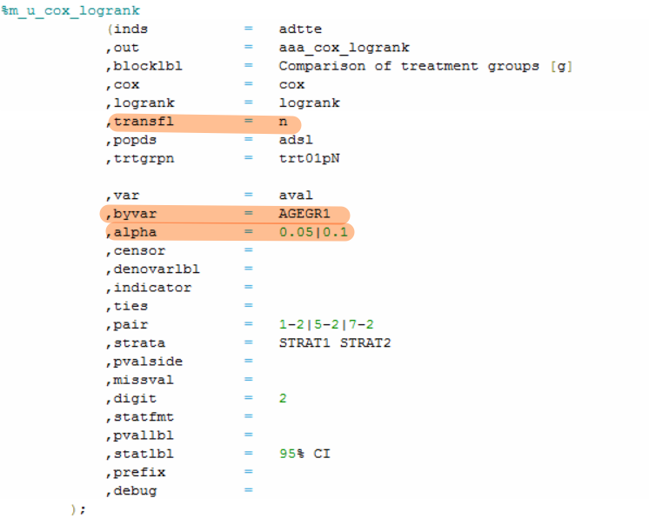
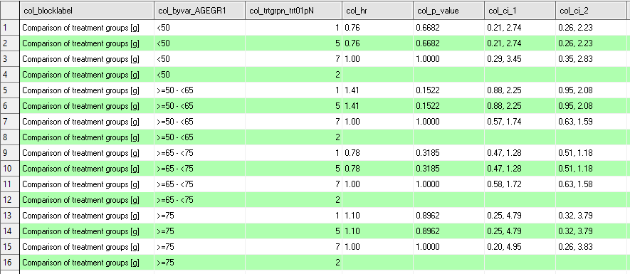
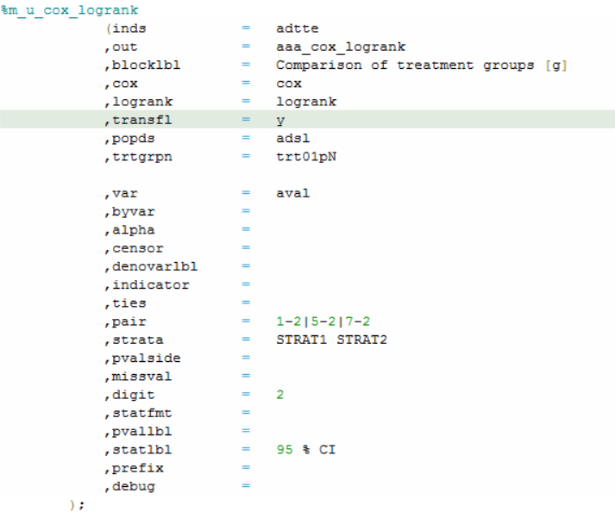
Core Index | Explanation | Comments
inds | input dataset
out | output dataset
blocklbl | Create the block column in output dataset (Default is "Comparison of treatment groups")
modelkey | cox: indication to calculate Hazard Ratio and CI using Cox proportional hazards model logrank: indication to calculate p-value using Log-rank Test
transfl | indication to transpose output dataset, with treatment variables (var) as columns. (Default is Y)
popds | population dataset
trtgrpn | treatment variable
var | numeric variable name, should be only one variable, generally set to aval for 'time to event'.
byvar | statistical computing by variable name
alpha | confidence level for confidence limits to calculate 100(1-ALPHA)% confidence limits. (Default is 0.05)
censor | censor variable (Default is cnsr)
indicator | indicator for censor (Default is 1)
ties | method to handle ties in the failure time, includes: BRESLOW DISCRETE EFRON EXACT. (Default is EFRON)
pair | specify sequence of pairs for pairwise statistics, such as: 1-2, then the reference group is 2. (Default is 2-1)
strata | the variables names that determine the strata levels
pvalside | 1-sided or 2 sided p-value, this option only for log-rank test. (Default is 2)
missval | output point estimation when it is not estimable including NC, NE, NA or NR. (Default is NC)
digit | number for HR/CI decimal place. (Default is 2 for HR, 2+1 for CI) Default p-value Rounded to 3 decimal places (eg, "0.xxx"), less than 0.001 is displayed as "<0.001"
cidecimal | To add more decimal place for CI. 1 more decimal place for CI compared to point estimation digit. (Default is 1)
hrlbl | Hazard ratio label (Default is Hazard ratio)
cilbl | CI label as xx% CI, xx determined by alpha (Default is %CI)
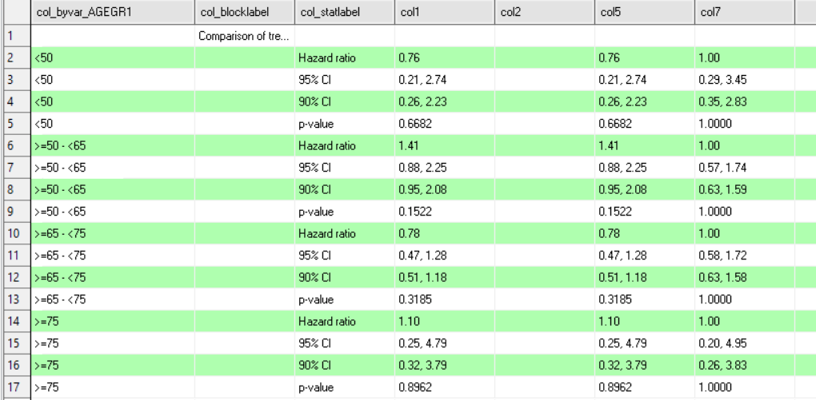
pvallbl | pvalue label. (Default is p-value)
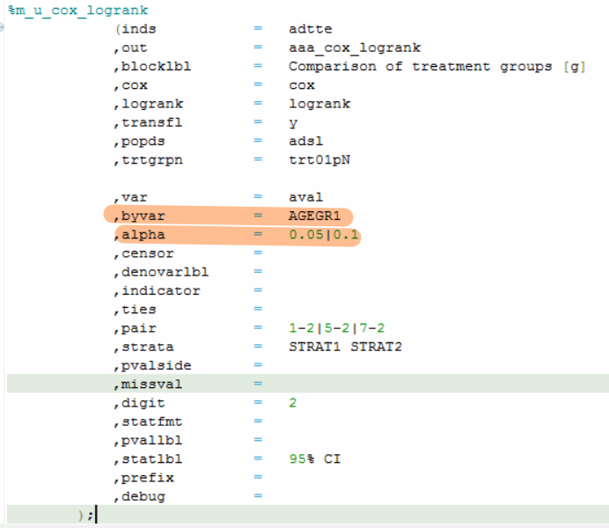
prefix | The output dataset column prefix name. (Default is col)
debug | Keep temporary datasets in WORK library if DEBUG = Y. (Default is N)

Core Code:
proc phreg data=&inds alpha=&alpha.;
where &trtvar in (&__pair);
by &byvar;
class &strata. &trtvar.(ref="&__ref.")/param=ref;
model __time*__cnsr(&indicator.)=&trtvar./alpha=&alpha. risklimits RL=both ties=&ties.;
%if %qcmpres(&strata) ne %str() %then %do;
strata &strata.;
%end;
ods output ParameterEstimates=__tmp_hr_estimate;
run;

proc lifetest data=xx
where &trtvar in (&__pair) and missing(__notrt);
by &byvar;
time __time*__cnsr(&indicator.);
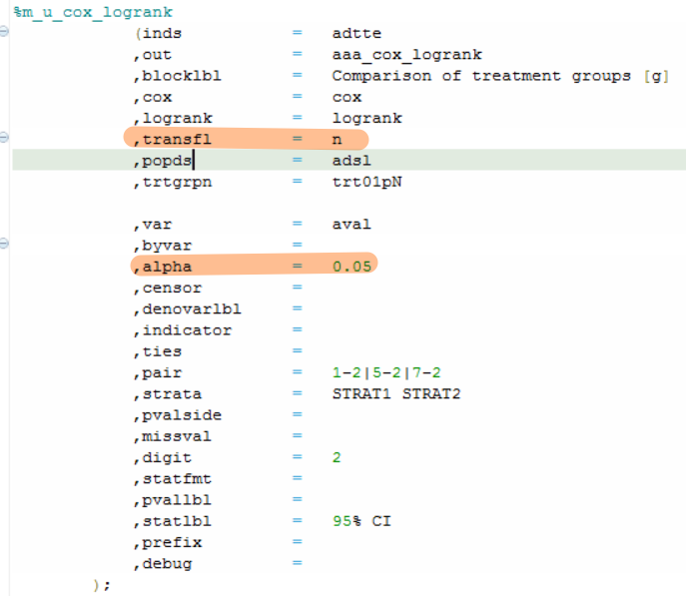
%if %qcmpres(&strata) ne %str() %then %do;
strata &strata/test=logrank group=&trtvar;
%end;
%else %do;
strata &trtvar/test=logrank;
%end;
ods output homtests=mu_logrk_homtests_&_p;
run;

